Introduction
This document contains mappings of the CIS Controls and Safeguards to NIST Special Publication 800-53 Revision 5

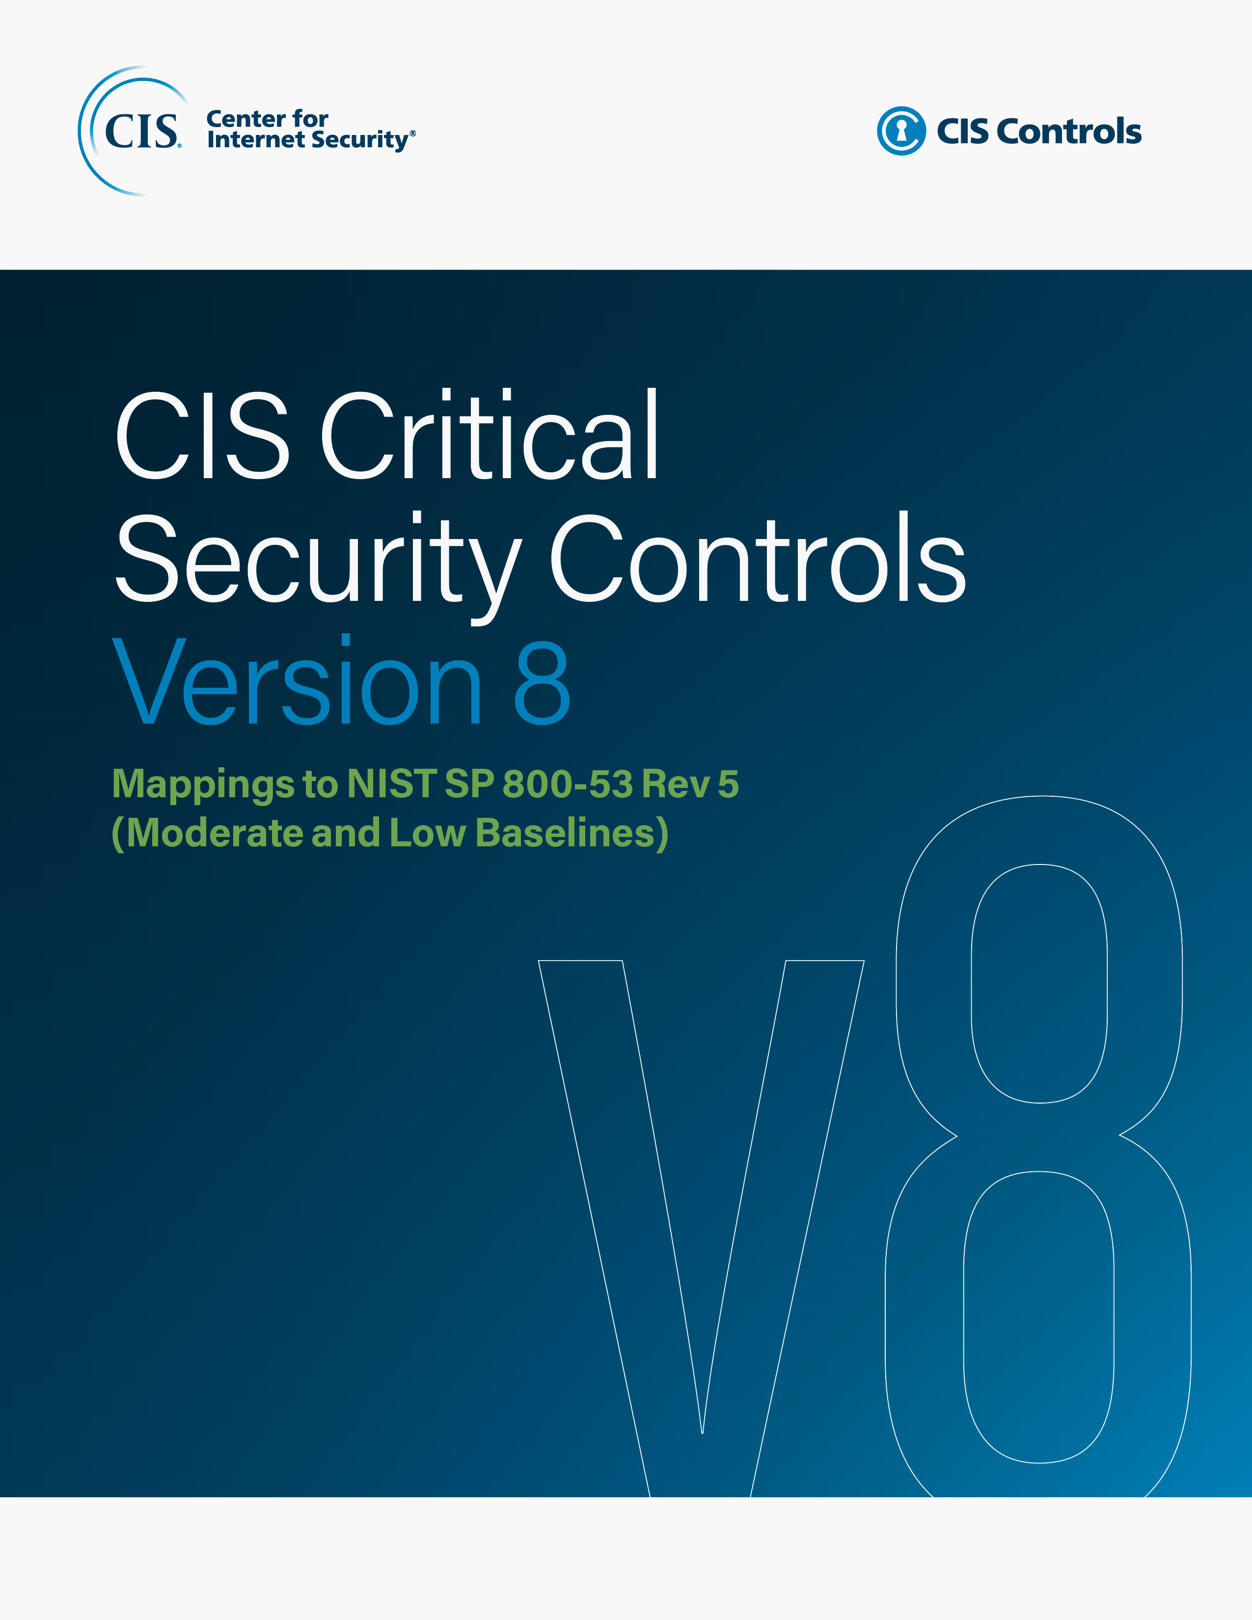

Contact Information
CIS
31 Tech Valley Drive
East Greenbush, NY 12061
518.266.3460
controlsinfo@cisecurity.org

Editors
Thomas Sager

Contributors
Will Spier

